Sheet1
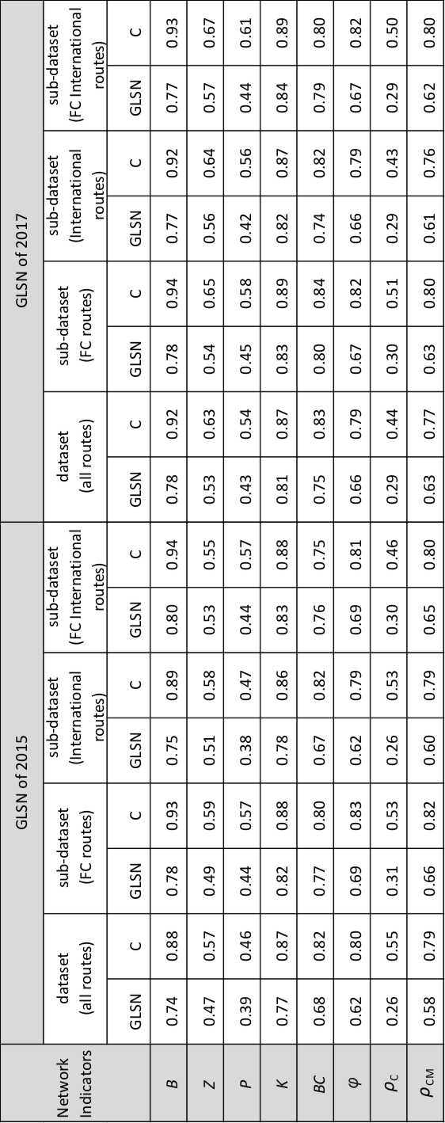
GLSN of | Network indicators | dataset | GLSN | C
2015 | B | All routes | 0.74 | 0.88
 |  | FC International routes | 0.8 | 0.94
 |  | FC routes | 0.78 | 0.93
 |  | International routes | 0.75 | 0.89
 | BC | All routes | 0.68 | 0.82
 |  | FC International routes | 0.76 | 0.75
 |  | FC routes | 0.77 | 0.8
 |  | International routes | 0.67 | 0.82
 | K | All routes | 0.77 | 0.87
 |  | FC International routes | 0.83 | 0.88
 |  | FC routes | 0.82 | 0.88
 |  | International routes | 0.78 | 0.86
 | P | All routes | 0.39 | 0.46
 |  | FC International routes | 0.44 | 0.57
 |  | FC routes | 0.44 | 0.57
 |  | International routes | 0.38 | 0.47
 | Z | All routes | 0.47 | 0.57
 |  | FC International routes | 0.53 | 0.55
 |  | FC routes | 0.49 | 0.59
 |  | International routes | 0.51 | 0.58
 | phi | All routes | 0.62 | 0.8
 |  | FC International routes | 0.69 | 0.81
 |  | FC routes | 0.69 | 0.83
 |  | International routes | 0.62 | 0.79
 | rho_C | All routes | 0.26 | 0.55
 |  | FC International routes | 0.3 | 0.46
 |  | FC routes | 0.31 | 0.53
 |  | International routes | 0.26 | 0.53
 | rho_CM | All routes | 0.58 | 0.79
 |  | FC International routes | 0.65 | 0.8
 |  | FC routes | 0.66 | 0.82
 |  | International routes | 0.6 | 0.79

